Sheet1
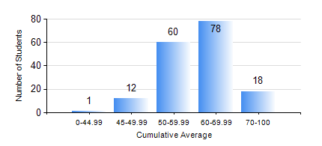
 |  |  | KWAME NKRUMAH UNIVERSITY OF SCIENCE AND TECHNOLOGY, KUMASI Department of Geomatic Engineering

 |  |  | BSC. GEOMATIC ENG.

 |  |  | COMPREHENSIVE RECORD OF EXAMINATION RESULTS

 |  |  | RESULTS OF YEAR 2 SECOND SEMESTER, 2021/2022 ACADEMIC YEAR

 | Sn | Course Code |  | Course Name | Credit Hours | Min. Mark | Max. Mark | Avg. Mark | Std. Dev. | No. Passed | No. Trailed | No. (Df) | No. (I) | No. (I*) | No. Tagged(I,I*,Df) | Total
 | 0. |  |  |  |  |  |  | 0 | 0 | 0 | 0 | 0 | 0 | 0 | 0 | 6
 | 1. | CE 260 |  | SOIL AND ROCK MECHANICS | 3 | 17 | 94 | 56 | 14.8 | 148 | 15 | 0 | 0 | 0 | 0 | 163
 | 2. | ENGL 264 |  | LITERATURE IN ENGLISH II | 1 | 21 | 83 | 58 | 8.59 | 161 | 1 | 0 | 1 | 0 | 1 | 163
 | 3. | GE 262 |  | PRINCIPLES OF REMOTE SENSING | 3 | 27 | 82 | 55 | 12.69 | 147 | 16 | 0 | 0 | 0 | 0 | 163
 | 4. | GE 272 |  | ENGINEERING SURVEY II | 3 | 32 | 91 | 64 | 11.35 | 162 | 1 | 0 | 0 | 0 | 0 | 163
 | 5. | GE 284 |  | HYDROGRAPHIC SURVEYING AND MARINE SCIENCE | 3 | 41 | 83 | 60 | 8.66 | 163 | 0 | 0 | 0 | 0 | 0 | 163
 | 6. | GE 292 |  | PRACTICAL TASK II | 3 | 31 | 86 | 71 | 8.84 | 158 | 1 | 4 | 0 | 0 | 4 | 163
 | 7. | MATH 252 |  | CALCULUS WITH SEVERAL VARIABLES | 4 | 39 | 85 | 61 | 8.13 | 162 | 1 | 0 | 0 | 0 | 0 | 163

